Chart
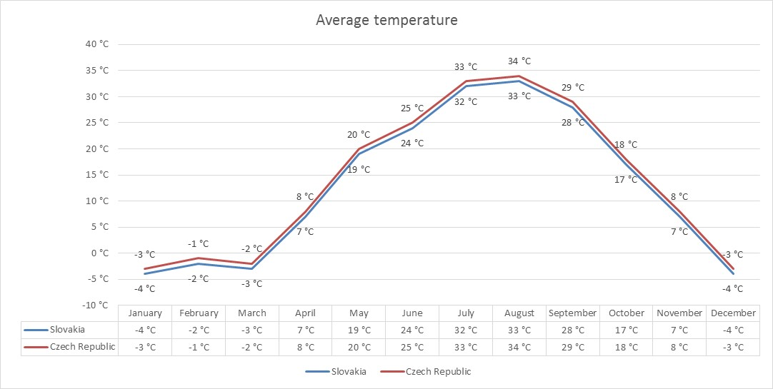
Construct the chart according the picture.

 | January | February | March | April | May | June | July | August | September | October | November | December
Slovakia | -4 °C | -2 °C | -3 °C | 7 °C | 19 °C | 24 °C | 32 °C | 33 °C | 28 °C | 17 °C | 7 °C | -4 °C
Czech Republic | -3 °C | -1 °C | -2 °C | 8 °C | 20 °C | 25 °C | 33 °C | 34 °C | 29 °C | 18 °C | 8 °C | -3 °C

